How to fill in the TS
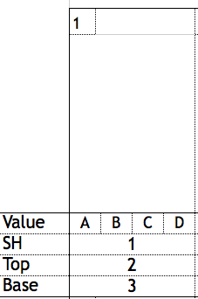
Instruction how to use
Pairs Balance
• Box 1: Identification (ID/#) of the Static Holds
•Value in A
• Box 2: Identification (ID/#) of Mounts & Motions Top
•Value in B
• Box 3: Identification (ID/#) of the Static & Motions Base
•Value in C
Pairs Dynamic
• Box 1: not used
• Box 2: Identification (ID/#) of the Elements
•Value in B
• Box 3: not used
• D : value of Links ( no coördinates!)
Women's group Balance
• Box 1: Identification (ID/#) of the Static Holds
•Value in A
• Box 2: Identification (ID/#) of Mounts & Motions Top
•Value in B
• Box 3: Identification (ID/#) of the Basic Pyramids
•Value in C
•D not used
Women's group Dynamic
• Box 1: not used
• Box 2: Identification (ID/#) of the Elements
•Value in B
individual
• Box 3: not used
• D : value of Links ( no coördinates!)
M4 Balance
• Box 1: Identification (ID/#) of the Static Holds
•Value in A
• Box 2: Identification (ID/#) of Mounts & Motions Top
•Value in B
• Box 3: Identification (ID/#) of the Basic Pyramids & Transitions
•Value in C
•D not used
M4 Dynamic
See Women's group
Individual Elements
•1: coördinates of the individual elements | A = PARTNER 1
•cat. 1: only ID/# number | B = PARTNER 2
•Cat. 2: only page | C = PARTNER 3
 | D = PARTNER 4

